Sheet1
Village Hall Rebuild Cost 2025 |  |  |  |  | Village Hall Demolition Cost 2025
(372 sq m measured externally. Approx. 350 sq m internal) |  |  |  |  | (372 sq m measured externally)

Gross internal floor area: | 350 |  | m2 |  | Gross external area: | 372 | m2
Location: | Norfolk
Proposed construction start date: | Apr-26 |  |  |  | Site Clearance Non-Complex: | £5 | to | £25 | *
Construction period: | 52 weeks
Base cost from cost per m2 table |  |  |  |  |  |  |  | £1,860 | to | £9,300
Recreational entities – General purpose halls: | £2,380 |  | £/m2
 |  |  |  |  | Demolition Non-Complex: | £11 | to | £58 | *
Budget calculation
Building works cost (at bwv factor of 1.00) | 350 | x | £2,380 | £833,000 |  |  |  | £4,092 | to | £21,576

Adjustment for building works value |  |  |  |  | Removal of redundant services: | say |  |  |  | £2,000
Factor for | £833,000 |  | is | 1.1
 |  |  |  |  | Site Investigations: | say |  |  |  | £2,000
 |  |  |  | £916,300
 |  |  |  |  | Fees: | say |  |  |  | £5,000
Adjustment for location (East of England = 103) |  |  |  | 1.03

 |  |  |  | £943,789 | Demolition costs 2015, so use higher cost to take account of inflation |  |  |  |  | £39,876

Adjustment for tender inflation |  |  |  |  | Indicative total demolition works cost |  |  |  |  | £40,000
Current tender price index April 2025 |  |  | 224
Forecasted tender price index April 2026 |  |  | 230 |  | * Using "The Homes and Communities Agency for England dated 2015" (see table below).
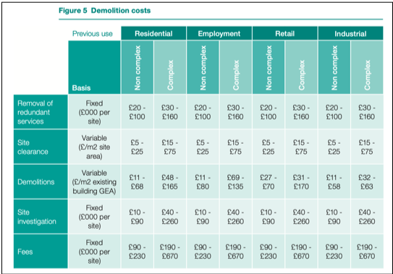
Adjustment (230 - 224) / 224 |  |  | 2.68% | £25,294

 |  |  |  | £969,083
Adjustment for construction inflation
Current building cost index April 2026 |  |  | 247
Forecasted building cost index April 2027 |  |  | 254
Adjustment ((254 - 247) / 247) x 50% * |  |  | 1.42% | £13,761

 |  |  |  | £982,844

Allowance for external works | say |  | 15% | £147,427

 |  |  |  | £1,130,270

Allowance for risk | say |  | 12% | £135,632

 |  |  |  | £1,265,902

Indicative total construction works cost | say |  |  | £1,270,000

Estimate base date: 1 April 2025. |  |  |  |  | Indicative total construction works cost |  |  |  |  | £1,270,000
Cost excludes land purchase, fees, VAT, fittings and furnishings supplied by the Client.
 |  |  |  |  | Indicative total demolition works cost |  |  |  |  | £40,000
Using "Typical Construction Costs of Buildings" from costmodelling.com
 |  |  |  |  | Total Insurance Value (Contents not included) |  |  |  |  | £1,310,000

Link: |  |  |  |  | Link:
https://costmodelling.com/building-costs#:~:text=Typical%20costs%20per%20m&text=The%20median%20cost%20of%20a%20building%20is%3A%20£2%2C430%2Fm&text=The%2075%25%20quartile%20cost%20of,building%20is%3A%20£3%2C010%2Fm&text=The%2090%25%20percentile%20cost%20of,building%20is%3A%20£4%2C100%2Fm&text=The%20highest%20cost%20for%20a%20building%20is%3A%20£8%2C030%2Fm |  |  |  |  | https://assets.publishing.service.gov.uk/media/5a800808ed915d74e33f809b/HCA_Remediation_Cost_Guidance_2015.pdf

